1. Title Page
Basket Analysis Project

Project Name: Basket Analysis Project
Date: 11-24-2022
Analyst Name: Shelby Wendel

Contents:
Population Flow
Consistency checks
Wrangling steps
Column derivations
Visualizations
Recommendations

Citation:
“The Instacart Online Grocery Shopping Dataset 2017”, Accessed from https://www.instacart.com/datasets/grocery-shopping-2017 on 10-29-2022

Note:
The customer data , including any personally identifying information, has been randomly generated by CareerFoundry for the purposes of this project

2. Population Flow
 |  |  | Title page

Population flow

Exclusion flag
Condition: max_order < 5
Obervations to be removed: 1440295
Final total count of order_products_all: 30964564

Orders_products_combined
Orders_products_merged
Orders_products_all

Total:
Total:
Total:
32434489 , 13 | 32404859 , 18 | 30964564 , 42

3. Consistency checks
 |  |  |  | Title page
Consistency checks

Dataset | Missing values | Missing values treatment | Duplicates
orders | 206209 missing values found in 'days_since_prior_order' | Determined that missing values indicated new customers by crosstabulating the 'order_number' and 'days_since_prior_order' columns. Since all missing values in 'days_since_prior_order' occurred on order number 1 confirming that all missing values were new customers I created a new_customer flag column. | No duplicates found
products | 16 missing values found in 'product_name' | Created a new dataframe excluding missing values. | 5 duplicates removed
orders_products_prior | No missing values found | N/A | No duplicates found
customers | No missing values found | N/A | No duplicates found

4. Wrangling steps
 |  |  |  | Title page
Wrangling steps

Columns dropped | Columns renamed | Columns' type changed | Comment/Reason
eval_stat', and '_merge' columns |  |  | These flags are irrelevant for the purposes of the analysis.
Unnamed: 0.1' , 'Unnamed: 0_x' , and 'Unnamed: 0_y' columns |  |  | These columns were automatically generated and were not relevant for the purposes of this analysis.
 | 'order_hour_of_day' changed to 'hour order placed' |  | Name changed for clarity.
 | 'order_dow' changed to 'order_day_of_week' |  | Name changed for clarity
 |  | 'user_id' and 'order_number' | These columns do not contain numerically meaningful data. Converting them from integer type to a string type prevents unhelpful aggregation.
 |  | order_id | The data type of these columns was changed from int64 to a more efficient data type (usually int8 or int 32) to reduce the file size and alleviate working memory errors.
 |  | user_id
 |  | order_number
 |  | order_day_of_week
 |  | hour_order_placed
 |  | days_since_prior_order
 |  | product_id
 |  | reordered
 |  | add_to_cart_order
 |  | order_id
 |  | aisle_id
 |  | department_id
 |  | prices
 |  | age
 |  | dependants

5. Column derivations
 |  |  |  |  | Title page

Column derivations and aggregations

Dataset | New column | Column/s it was derived from | Conditions
ords_prods_merged | price_range | prices | prices' > 15 = 'High range product,' 'prices' <= 15 & >5 = 'Mid-range product,' and 'prices'<5 = 'Low range product'
ords_prods_merged | busiest_days | order_day_of_week | if 'order_day_of_week' = 0 or 1 return 'Busiest day' , else if 'order_day_of_week' = 4 or 3 return 'Least busy day,' else return 'Regularly busy'
ords_prods_merged | busiest_period_of_day | hour_order_placed | if 'hour_order_placed' includes an hour between 9 and 16 return 'Most Orders,' else if 'hour_order_placed' includes 7,8 or 17 through 22 return 'Average Orders,' else if 'hour order placed includes hours zero through 6 or 23 return 'Fewest Orders'
ords_prods_merged | loyalty_flag | max_order | if 'max_order' >40 return 'Loyal customer,' else if 'max_order' <=40 & >10 return 'Regular customer,' else if 'max_order' <=10 return 'New customer'
ords_prods_merged | spending flag | prices | if 'prices' >=10 return 'High spender,' else if 'prices' <10 return 'Low spender'
ords_prods_merged | order_frequency | avg_days_since_last_order | If 'avg_days_since_last_order' >20 return 'Non-frequent customer,' else if 'avg_days_since_last_order' >10 & <=20 return 'Regular customer,' else if 'avg_days_since_last_order' <=10 return 'Frequent customer'
ords_prods_merged | activity | max_order | If 'max_order' >=5 return 'normal,' else if 'max_order' <5 return 'low'
ords_prods_merged | family_status | dependants & department_id | if 'dependants' > 0 and 'department_id' includes 18 return family with young children, else if 'dependants' > 1 return 'family with older children,' else if dependants = 0 return 'no children'
ords_prods_merged | vegan_status | department_id | if 'department_id' includes 12, 16 or 20 return 'not_vegan,' else return 'vegan'
ords_prods_merged | age_category | age | age' between 18 and 29 = 'college age,' 'age' between 30 and 39 = 'young adult,' 'age' between 40 and 49 = 'middle age adult,' 'age' between 50 and 59 = 'late career adult,' and 'age' 60+ = senior

price_range column value counts: |  | Mid range product 21860860 | activity column value counts: | normal 30964564
 |  | Low range product 10126321 |  | low 1440295
 |  | High range product 417678
 |  |  | family_status value counts: | family with older children 22917819
busiest_days value counts: |  | Regularly Busy 12916111 |  | no children 7739681
 |  | Busiest Day 11864412 |  | family with young children 307064
 |  | Least Busy 7624336
 |  |  | vegan_status value counts: | vegan 24108767
busiest_period_of_day value counts: |  | Most Orders 21118071 |  | not vegan 6855797
 |  | Average Orders 9997651
 |  | Fewest Orders 1289137 | age_category value counts: | senior 10112607
 |  |  |  | college age 5817603
loyalty_flag value counts: |  | Regular customer 15876776 |  | middle age adult 4883179
 |  | Loyal customer 10284093 |  | young adult 4847507
 |  | New customer 6243990 |  | late career adult 4841771

spending_flag value counts: |  | Low spender 21760937
 |  | High spender 10643922

order_frequency value counts: |  | Frequent customer 21559853
 |  | Regular customer 7208564
 |  | Non-frequent customer 3636437
 |  | NaN 5

6. Visualizations
 |  |  |  |  |  |  |  | Title page

Visualisations

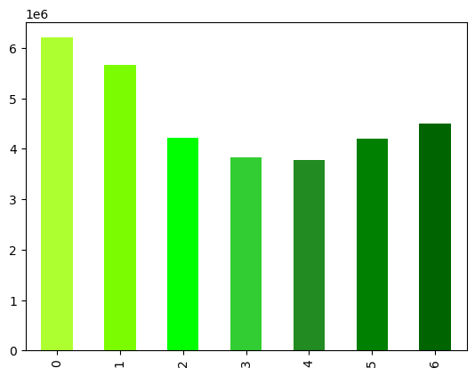
 |  | Number of Orders by Day of Week

 |  |  |  | Q: What is the busiest day of week?
 |  |  |  | A: The two busiest days of the week are Sunday (day 0) and Monday (day 1). Traffic on the app tends to recede during the middle of the week and return toward the weekend

number of orders

 |  |  | day of week

 |  | Prices by Hour of Day
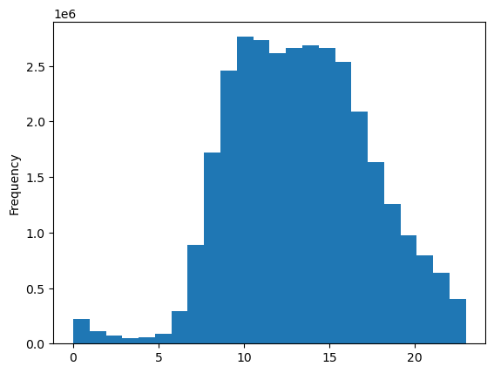

 |  |  |  | Q: Do customers spendmore at some times of day than at others?
 |  |  |  | A: Most customer spending occurs during the hours of 8 AM and 4 PM. 9 AM is the hour of day that customers place the most orders.

 | prices

 |  |  | hour of day

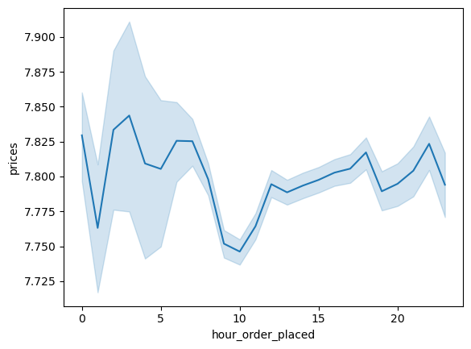
 |  | Prices by Hour Orders are Placed
 |  |  |  | It is possible that the most popular order times have some connection to the average workday, with most people placing orders before they leave for work in the morning and others waiting until their lunchbreaks or until after work to order groceries

 |  | Number of Orders by Customer Loyalty
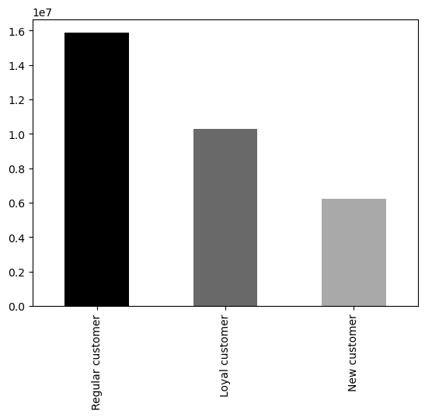

 |  |  |  | Q: Has the loyal customer category placed more orders than other loyalty categories?
 |  |  |  | A: The loyal customer group has placed more orders in total than the new customer group. However, the loyal customer group has not placed as many orders as the regular customer group

number of orders

 |  | Number of Dependants by Age
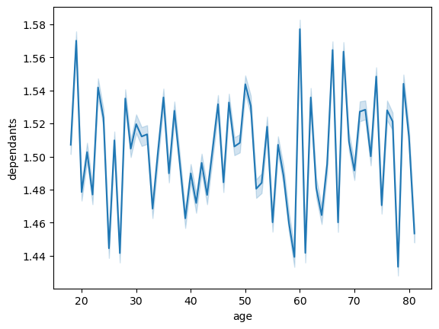
 |  |  |  | Q: Is there a relationship between age and family status (determined by whether or not the customer has dependants)?
 |  |  |  | A: There does not seem to be a relation between age and whetehr or not the custoemr has dependants.


 |  |  | Spending Power by Age
 |  |  |  | Q: Is there a relationship between spending power (measured by income) and age?
 |  |  |  | A: There seems to be a positive relationship between age and spending power.

 |  | Customer Family Status
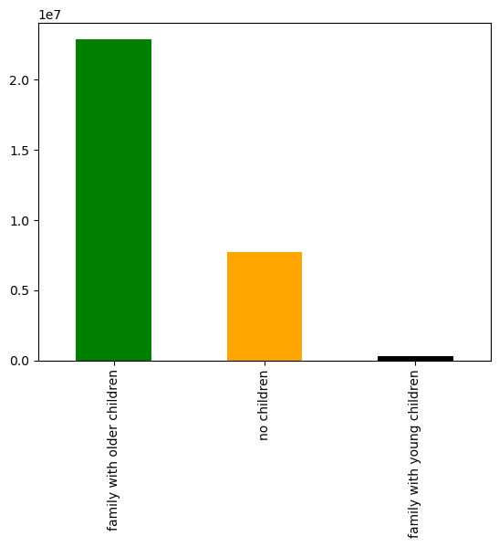

 |  |  |  | Based on whether customers have dependents and whether they shop in the 'baby' department, it appears that Instacart's customers are primarily parents of older children ( here meaning children no longer needing baby items)

 |  |  | Customer Vegan Status
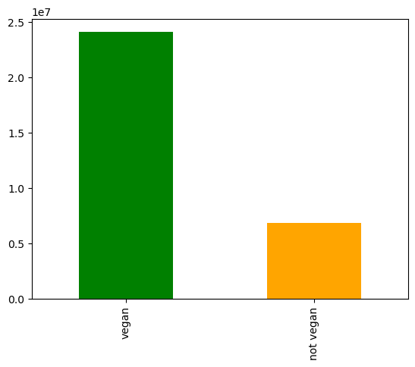
 |  |  |  |  | Instacart seems to have more vegan customers (those who do not purchase meat, seafood, dairy, eggs, or deli items) than non-vegan customers. However, there is a possibility that some of these 'vegan' shoppers might not actually be vegans, but avoid buying non-vegan grocery items online due to concerns about quality and/or freshness. More data about customer perception of product quality is necessary to determine whether this is the case.

 |  |  | Orders by Age Category
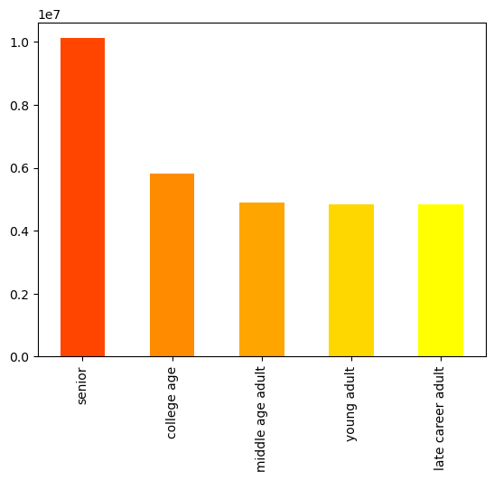

 |  |  |  |  | Most of instacart's orders are from customers in the senior age group (adults over 60), followed by those in the college age group (adults aged 18 to 29). The age category with the least instacart orders is the late career adult category (users in their 50s).

Age category by region
 | %college age | %young adult | %middle age adult | %late career adult | %senior
Midwest | 0.18928776854 | 0.15736258244 | 0.1640132964 | 0.16030903943 | 0.32902731319
Northeast | 0.18999719638 | 0.15729805664 | 0.15948992378 | 0.15755782249 | 0.33565700072
South | 0.19314956526 | 0.1623095855 | 0.15773149047 | 0.15568468636 | 0.33112467241
West | 0.18938994239 | 0.15706250126 | 0.15997207994 | 0.16206390457 | 0.33151157184
 |  |  |  |  | A crosstabulation of age categories by region suggests that age categories remain in the same proportions across regions

 |  |  |  |  | Crosstab and additional percentage calculations here:

 |  |  |  |  | regions | college age | young adult | middle age adult | late career adult | senior | total | %college age | %young adult | %middle age adult | %late career adult | %senior
 |  |  |  |  | Midwest | 1355838 | 1127163 | 1174801 | 1148268 | 2356770 | 7162840 | 19% | 16% | 16% | 16% | 33%
 |  |  |  |  | Northeast | 1023984 | 847753 | 859566 | 849153 | 1809013 | 5389469 | 19% | 16% | 16% | 16% | 34%
 |  |  |  |  | South | 1960651 | 1647596 | 1601124 | 1580347 | 3361229 | 10150947 | 19% | 16% | 16% | 16% | 33%
 |  |  |  |  | West | 1477130 | 1224995 | 1247688 | 1264003 | 2585595 | 7799411 | 19% | 16% | 16% | 16% | 33%

Customer family status by region
 | % of customers with older children | % of customers with young children | % of customers with no children
Midwest | 0.73919360883 | 0.009782121164 | 0.25102427001
Northeast | 0.74213170567 | 0.010007347176 | 0.24786094715
South | 0.73948910979 | 0.010108582573 | 0.25040230764
West | 0.74044353719 | 0.0097276134517 | 0.24982884936
 |  |  |  |  | The proportion of customers in each family status is also ideantical across regions (no doubt due to how the customer data set was randomly generated for this project)

 |  |  |  |  | Crosstabulations and additional percentage calculations:

 |  |  |  |  | customer family status by region
 |  |  |  |  | regions | family with older children | family with young children | no children | total customers | % of customers with older children | % of custoemrs with young children | % of customers with no children
 |  |  |  |  | Midwest | 5367664 | 71033 | 1822816 | 7261513 | 74% | 1% | 25%
 |  |  |  |  | Northeast | 4055516 | 54687 | 1354482 | 5464685 | 74% | 1% | 25%
 |  |  |  |  | South | 7624975 | 104231 | 2581933 | 10311139 | 74% | 1% | 25%
 |  |  |  |  | West | 5869664 | 77113 | 1980450 | 7927227 | 74% | 1% | 25%

Perecntage of high vs. low spenders by region
 | High spender | Low spender
Midwest | 2497034 | 5100291
Northeast | 1875170 | 3847566
South | 3549625 | 7242260
West | 2722093 | 5570820
 |  |  |  |  | The proportion of high versus low spenders is also equally proportionate across regions

 |  |  |  |  | crosstabulations:

 |  |  |  |  | High vs low spenders by region
 |  |  |  |  | regions | High spender | Low spender
 |  |  |  |  | Midwest | 2497034 | 5100291
 |  |  |  |  | Northeast | 1875170 | 3847566
 |  |  |  |  | South | 3549625 | 7242260
 |  |  |  |  | West | 2722093 | 5570820

Customer vegan status by region
 | %non-vegan customers | % vegan customers
Midwest | 0.22105778782 | 0.77894221218
Northeast | 0.22171177296 | 0.77828822704
South | 0.22119341035 | 0.77880658965
West | 0.22179786198 | 0.77820213802

 |  |  |  |  | The data set also seems to indicate that proportionately each region also has the same amount of vegans versus non-vegans

 |  |  |  |  | crosstabulations and additional calculations

 |  |  |  |  | customer vegan status by region
 |  |  |  |  | regions | not vegan | vegan | total customers | %non-vegan customers | % vegan customers
 |  |  |  |  | Midwest | 1605214 | 5656299 | 7261513 | 22% | 78%
 |  |  |  |  | Northeast | 1211585 | 4253100 | 5464685 | 22% | 78%
 |  |  |  |  | South | 2280756 | 8030383 | 10311139 | 22% | 78%
 |  |  |  |  | West | 1758242 | 6168985 | 7927227 | 22% | 78%

7. Recommendations
 |  |  |  |  |  |  |  |  |  |  |  | Title page

Recommendations

Question |  | Answer
What are the busiest hours of the week and when are the hours of least activity? |  | The busiest times of week on the Instacart app are Sundays and Mondays between 8 AM and 4 PM. To schedule ad times on days with the fewest orders Instacart should schedule ads on Wednesdays and Thursdays. Because the least busy hours of day on the app are late at night between 11 PM and 6 AM it may be difficult to encourage higher activity during these times with more ads. Instead, Instacart should focus its ad campaigns on off-peak hours during the day such as 7-8 AM and 5-10 PM. This way the app can expect to see greater activity during the day without running the risk of overburdening it and causing it to crash during peak hours.

 |  |  | Number of Orders by Day of Week |  |  |  |  |  |  | Prices by Hour of Day


 | number of orders |  |  |  |  | prices

Are there certain types of products that are more popular than others? |  | A value count on the department_id column shows that produce, dairy and eggs, snacks, beverages, and frozen goods are the top five most frequently ordered product categories. Special offers on these product categories are likely to be more effective than others at drawing customer activity

Top five product categories
 |  | rank | department_id | department | number of orders
 |  | 1 | 4 | produce | 9479291
 |  | 2 | 16 | dairy and eggs | 5398747
 |  | 3 | 19 | snacks | 2887550
 |  | 4 | 7 | beverages | 2688123
 |  | 5 | 1 | frozen | 2234743
 |  | 6 | 13 | pantry | 1875369
 |  | 7 | 3 | bakery | 1172428
 |  | 8 | 15 | canned goods | 1068058
 |  | 9 | 20 | deli | 1051249
 |  | 10 | 9 | dry goods and pasta | 866627
 |  | 11 | 17 | household | 738666
 |  | 12 | 12 | meat and seafood | 708927
 |  | 13 | 14 | breakfast | 703033
 |  | 14 | 11 | personal care | 447572
 |  | 15 | 18 | babies | 423802
 |  | 16 | 6 | international | 269253
 |  | 17 | 5 | alcohol | 153696
 |  | 18 | 8 | pets | 97716
 |  | 19 | 21 | missing | 69145
 |  | 20 | 2 | other | 36291
 |  | 21 | 10 | bulk | 34573

What’s the distribution among users in regards to their brand loyalty (i.e., how often do they return to Instacart)? |  | 32% of Instacart's customers are 'loyal' customers (those who have placed over 40 orders). 'New customers' who have placed less than 10 orders make up 19% of the customer base. The remaining 49% of customers are 'Regular Customers' who have placed more than 10 orders but less than 40.

Customer loyalty categories by number of customers
 |  | Customer loyalty | Number of customers
 |  | Regular customer | 15876776
 |  | Loyal customer | 10284093
 |  | New customer | 6243990

Are there differences in ordering habits based on a customer’s loyalty status? |  | While it does not appear that loyal customers are more likely to spend more per order than regular and new customers, all loyal customers are frequent customers (those who have placed more than 40 orders with Instacart). This indicates that the total lifetime value of the loyal customer group is greater than other customer groups because of their order frequency. Regular customers are the next most valuable group with 61% having placed over 40 orders and only 6% having placed under 10 orders. New customers have the lowest order frequency with 44% having placed less than 10 orders.

Customer spending by loyalty category
Order frequency by costomer loyalty category

 |  | loyalty_flag | High spender | Low spender | Total customers | % High spender | %Low spender
 |  | Loyal customer | 3351872 | 6930891 | 10282763 | 33% | 67%
 |  | New customer | 2062155 | 4180686 | 6242841 | 33% | 67%
 |  | Regular customer | 5224768 | 10649360 | 15874128 | 33% | 67%

 |  | loyalty_flag | Frequent customer | Non-frequent customer | Regular customer | Total customers | % Frequent customer | %Non-frequent customer | % Regular customer
 |  | Loyal customer | 10279960 | 0 | 4133 | 10284093 | 100% | 0% | 0%
 |  | New customer | 1648671 | 2724962 | 1870352 | 6243985 | 26% | 44% | 30%
 |  | Regular customer | 9631222 | 911475 | 5334079 | 15876776 | 61% | 6% | 34%

Are there differences in ordering habits based on a customer’s region? |  | There do not appear to be differences in ordering habits based on customer's region

Perecntage of high vs. low spenders by region
 | High spender | Low spender
Midwest | 2497034 | 5100291
Northeast | 1875170 | 3847566
South | 3549625 | 7242260
West | 2722093 | 5570820

Is there a connection between age and family status in terms of ordering habits? |  | 74% of orders are placed by customers with older children. Customers with no children place the second most orders at 25%, while customers with young children (babies and/or toddlers) only make up 1% of orders. Customers without children and customers with older children both have average expenditures of $7.29, while the average expenditure of families with young children tends to be about 4 cents higher at $7.33

Number of orders by family status
Average expenditure by family status
 |  | family_status | number of orders
 |  | family with older children | 22917819
 |  | no children | 7739681
 |  | family with young children | 307064

 |  | family_status | avg_ expenditure
 |  | family with older children | $7.29
 |  | family with young children | $7.33
 |  | no children | $7.29

 |  | Seniors (age 60 and up) place the most orders with instacart, followed by college age customers (those between 18 and 29). Young adults (ages 30 to 39), middle age adults (ages 40 to 49), and late career adults (ages 50 to 59) all have similar ordering frequency habits. Middle age adults and seniors have the highest average expenditure per item at around $7.30. This is followed by young adults whose average expenditure per item is $7.29. Late career adults and college age adults had the lowest average expenditure at $7.28

 |  |  |  |  | Orders by customer age category

Average expenditure by age category

 |  |  | number of orders (in 10 millions)

 |  |  |  | age_category | avg_expenditure
 |  |  |  | college age | $7.28
 |  |  |  | late career adult | $7.28
 |  |  |  | middle age adult | $7.30
 |  |  |  | senior | $7.30
 |  |  |  | young adult | $7.29

What other differences are there in the ordering habits of different customer profiles? |  | Non-vegans have an average expenditure of 9 cents more per item than vegans. While the non-vegan customer base places less orders than the vegan customer base Instacart may be able to maximize the value of this customer segment by implimenting targeted ads directed at non-vegans for more expensive items like meat and seafood. It is also worth noting that while it may appear that more vegan customers use Instacart than non-vegan customers, vegan status is determined by whether the customer buys from the meat and seafood, dairy and eggs, or deli departments. It is possible that some customers who are flagged as vegans may not actually be vegans at all, but are instead unwilling to buy from these product categories on Instacart due to concerns over quality or freshness.

Average expenditure by vegan status
 |  |  |  |  |  |  |  |  |  |  | Number of orders by vegan status
 |  | vegan_status | avg_expenditure
 |  | not vegan | $7.36
 |  | vegan | $7.27

 |  |  |  |  |  |  |  |  |  | number of orders (in 10 millions)

